RMR

 | Lokasi : Sambirejo, Prambanan |  |  |  |  |  | Geometri |  |  |  |  |  |  |  |  |  |  | Scanline
 | Koordinat : 7 47 20 S 110 31 04.2 E |  |  |  |  |  | Tinggi Lereng : 9,6 m |  |  |  |  |  |  |  |  |  |  | Azimuth: |  |  |  |  | N230E
 | Tanggal/Waktu : 21/5/2023 |  |  |  |  |  | Slope : 73 |  |  |  |  |  |  |  |  |  |  | Plunge : |  |  |  |  | 15
 | Cuaca : Cerah |  |  |  |  |  | Slope Direction : N015E |  |  |  |  |  |  |  |  |  |  | Panjang : |  |  |  |  | 15 m
 | Litologi : Tuff, Lapili
 | Perhitungan RMR
 | Meter | Set / Family of Discon- tinuity |  | Bidang Diskontinuitas |  | Strength of Rock |  |  | RQD |  | Jarak antar diskontinuitas |  | Kondisi Diskontinuitas |  |  |  |  |  |  |  |  |  | BN Kondisi Diskon- tinuitas | Kondisi Air Tanah |  | RMR
 |  |  |  |  |  |  |  |  |  |  |  |  | Panjang |  | Bukaan |  | Kekasaran |  | Isian |  | Pelapukan |  |  |  |  |  |  | λ | 0.86666666667 | jumlah joint/panjang scanline
 |  | No Joint | Joint Set | Strike | Dip | Intact Rock Strength | UCS (Mpa) | BN | Nilai (%) | BN | Nilai (m) | BN | Nilai (m) | BN | Nilai | BN | Nilai | BN | Nilai | BN | Kondisi | BN |  | Kondisi | BN | Nilai Total | Kategori | RQD | 99.282258961
1 | 0.6 | 1 | A | 173 | 78 | R3 | 25-50 | 4 | 99.944319801 | 20 | 0.6 | 15 | 4 | 2 | 0.3 | 4 | R | 5 | Clay | 2 | W2 | 5 | 18 | Dry | 15 | 72 | Good | RMR
2 | 2.1 | 2 | A | 187 | 85 | R3 | 25-50 | 4 | 99.944319801 | 20 | 1.5 | 15 | 0.6 | 6 | 0.1 | 4 | R | 5 | Clay | 2 | W2 | 5 | 22 | Dry | 15 | 76 | Good | SMR
3 | 2.8 | 3 | B | 150 | 70 | R3 | 25-50 | 4 | 99.944319801 | 20 | 0.7 | 15 | 1.5 | 4 | 0 | 6 | R | 5 | No Filling | 6 | W2 | 5 | 26 | Dry | 15 | 80 | Good
4 | 3.2 | 4 | C | 215 | 70 | R3 | 25-50 | 4 | 99.944319801 | 20 | 0.4 | 10 | 0.5 | 6 | 0 | 6 | R | 5 | No Filling | 6 | W2 | 5 | 28 | Dry | 15 | 77 | Good
5 | 3.6 | 5 | C | 210 | 72 | R3 | 25-50 | 4 | 99.944319801 | 20 | 0.4 | 10 | 0.5 | 6 | 0 | 6 | R | 5 | No Filling | 6 | W2 | 5 | 28 | Dry | 15 | 77 | Good
6 | 4.9 | 6 | C | 210 | 72 | R3 | 25-50 | 4 | 99.944319801 | 20 | 1.3 | 15 | 0.11 | 6 | 0 | 6 | R | 5 | No Filling | 6 | W2 | 5 | 28 | Dry | 15 | 82 | Very Good
7 | 6.6 | 7 | A | 190 | 85 | R3 | 25-50 | 4 | 99.944319801 | 20 | 1.7 | 15 | 4 | 2 | 0 | 6 | SM | 1 | No Filling | 6 | W2 | 5 | 20 | Dry | 15 | 74 | Good
8 | 8.4 | 8 | A | 185 | 80 | R3 | 25-50 | 4 | 99.944319801 | 20 | 1.8 | 15 | 0.1 | 6 | 0 | 6 | R | 5 | No Filling | 6 | W2 | 5 | 28 | Dry | 15 | 82 | Very Good
9 | 8.65 | 9 | D | 125 | 22 | R3 | 25-50 | 4 | 99.944319801 | 20 | 0.2 | 10 | 22 | 0 | 0 | 6 | SM | 1 | No Filling | 6 | W2 | 5 | 18 | Dry | 15 | 67 | Good
10 | 9.5 | 10 | D | 125 | 22 | R3 | 25-50 | 4 | 99.944319801 | 20 | 0.9 | 15 | 22 | 0 | 0 | 6 | SM | 1 | No Filling | 6 | W2 | 5 | 18 | Dry | 15 | 72 | Good
11 | 13.2 | 11 | A | 185 | 78 | R3 | 25-50 | 4 | 99.944319801 | 20 | 3.7 | 20 | 0.35 | 6 | 0 | 6 | SR | 3 | No Filling | 6 | W2 | 5 | 26 | Dry | 15 | 85 | Very Good
12 | 13.3 | 12 | C | 220 | 85 | R3 | 25-50 | 4 | 99.944319801 | 20 | 0.1 | 8 | 0.35 | 6 | 0 | 6 | R | 5 | No Filling | 6 | W2 | 5 | 28 | Dry | 15 | 75 | Good
13 | 14.2 | 13 | C | 220 | 85 | R3 | 25-50 | 4 | 99.944319801 | 20 | 0.9 | 15 | 0.35 | 6 | 0 | 6 | R | 5 | No Filling | 6 | W2 | 5 | 28 | Dry | 15 | 82 | Very Good
 |  |  |  |  |  |  |  |  |  |  |  |  |  |  |  |  |  |  |  |  |  |  |  | Rata-Rata |  | 77 | Good

SMR
Diskon-tinuitas | Meter | RMR | Lereng |  | Jenis keruntuhan | Diskontinuitas |  |  |  |  | Nilai F1 |  | Nilai F2 | Nilai F3 |  | Nilai F4 | SMR
 |  |  |  |  |  | Strike | Dip Direction | Dip | Intersection |  |  |  |  |  |  |  | Romana
 |  |  | Slope_Azimuth | Slope_Dip | Landslide_Type |  |  |  | Trend | Plunge | Strike J-S | BN | BN | Dip J-S | BN |  | Nilai | Kelas | Kategori | Laubscher | Hall | Orr
1 | 0.6 | 72 | 15 | 73 | Toppling | 173 | 263 | 78 |  |  | 68 | 0.15 | 1 | 151 | -25 | 0 | 68.25 | II | Good | 65 | 71.8 | 78.683314166
2 | 2.1 | 76 | 15 | 73 | Toppling | 187 | 277 | 85 |  |  | 82 | 0.15 | 1 | 158 | -25 | 0 | 72.25 | II | Good | 65 | 74.4 | 80.57566691
3 | 2.8 | 80 | 15 | 73 | Toppling | 150 | 240 | 70 |  |  | 45 | 0.15 | 1 | 143 | -25 | 0 | 76.25 | II | Good | 65 | 77 | 82.370932214
4 | 3.2 | 77 | 15 | 73 | Toppling | 215 | 305 | 70 |  |  | 110 | 0.15 | 1 | 143 | -25 | 0 | 73.25 | II | Good | 65 | 75.05 | 81.033189765
5 | 3.6 | 77 | 15 | 73 | Toppling | 210 | 300 | 72 |  |  | 105 | 0.15 | 1 | 145 | -25 | 0 | 73.25 | II | Good | 65 | 75.05 | 81.033189765
6 | 4.9 | 82 | 15 | 73 | Toppling | 210 | 300 | 72 |  |  | 105 | 0.15 | 1 | 145 | -25 | 0 | 78.25 | II | Good | 65 | 78.3 | 83.235173654
7 | 6.6 | 74 | 15 | 73 | Toppling | 190 | 280 | 85 |  |  | 85 | 0.15 | 1 | 158 | -25 | 0 | 70.25 | II | Good | 65 | 73.1 | 79.642278262
8 | 8.4 | 82 | 15 | 73 | Toppling | 185 | 275 | 80 |  |  | 80 | 0.15 | 1 | 153 | -25 | 0 | 78.25 | II | Good | 65 | 78.3 | 83.235173654
9 | 8.65 | 68 | 15 | 73 | Toppling | 124 | 214 | 20 |  |  | 19 | 0.7 | 0,40 | 93 | 0 | 0 | 68.00 | II | Good | 65 | 69.2 | 76.682769681
10 | 9.5 | 72 | 15 | 73 | Toppling | 124 | 214 | 22 |  |  | 19 | 0.7 | 0,40 | 95 | 0 | 0 | 72.00 | II | Good | 65 | 71.8 | 78.683314166
11 | 13.2 | 85 | 15 | 73 | Toppling | 185 | 275 | 78 |  |  | 80 | 0.15 | 1 | 151 | -25 | 0 | 81.25 | I | Very Good | 65 | 80.25 | 84.492793977
12 | 13.3 | 75 | 15 | 73 | Toppling | 220 | 310 | 85 |  |  | 115 | 0.15 | 1 | 158 | -25 | 0 | 71.25 | II | Good | 66 | 73.75 | 80.112083974
13 | 14.2 | 82 | 15 | 73 | Toppling | 220 | 310 | 85 |  |  | 115 | 0.15 | 1 | 158 | -25 | 0 | 71.25 | II | Good | 65 | 73.75 | 80.112083974
 |  |  |  |  |  |  |  |  |  |  |  |  |  |  | Rata-Rata = |  | 73.11 | II | Good | 65 | 74.75 | 80.76092032
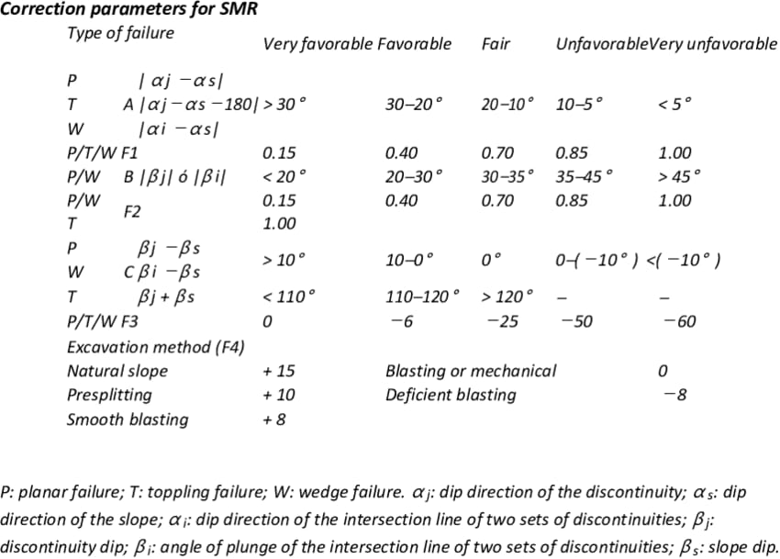
Failure
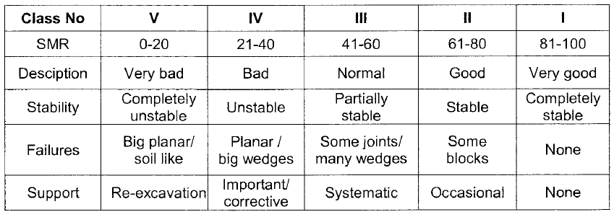
Planar
Wedge
Toppling

